Sheet1
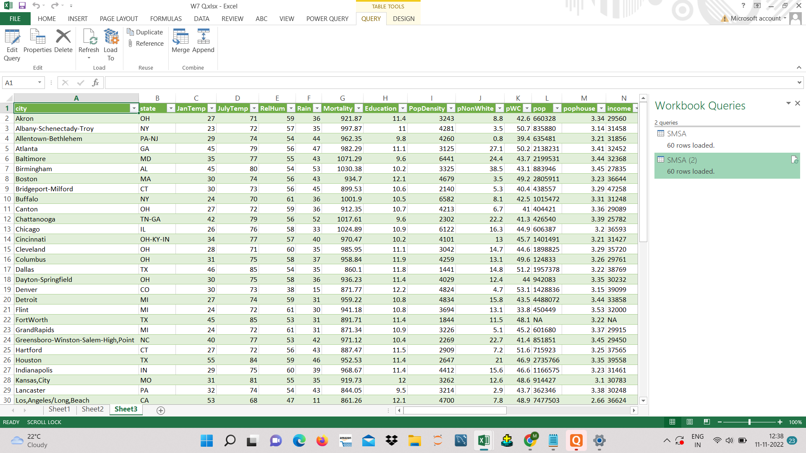
6. Write the steps to transform the data?

STEP 1 : CHOOSING DATA TYPE OF FILE

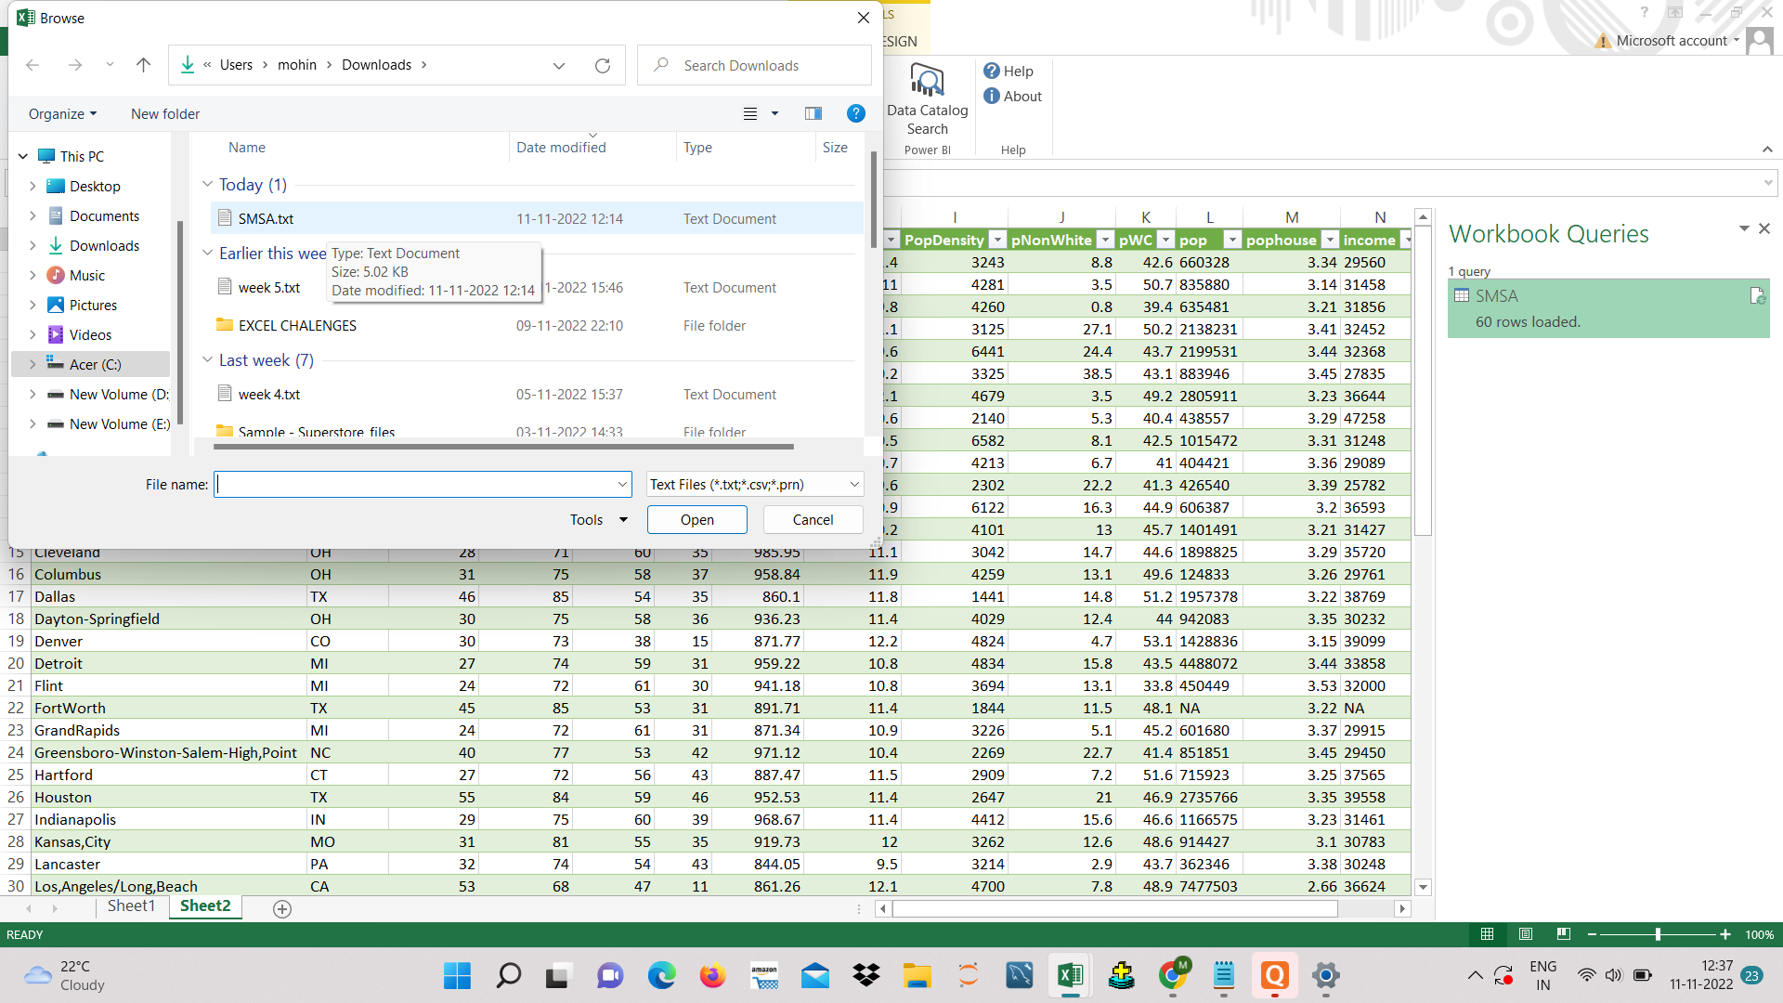

2. LOADING TE DATA TO THE EXCEL SHEET
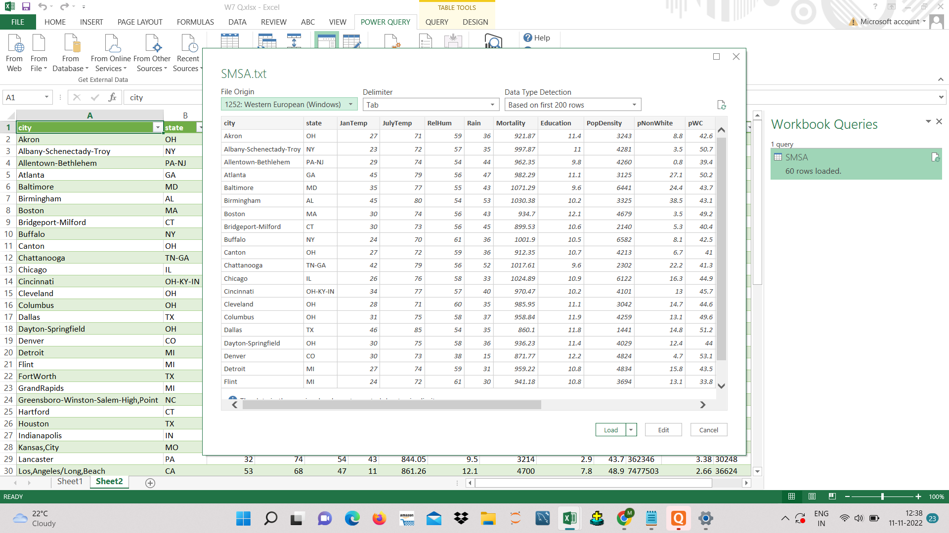

STEP 3. PREVIEW OF THE DATA

